in vivo eeg gt
GT | GC3 | W/I | EE GC3 | EE W/I |  | GEE | GC3 | W/I | EE GC3 | EE W/I |  | cu 0 | cu 1 | cu 2 | W/I 0 | WI 2 | WI 3
Cu 0 | 0.935 | 0.722 | 0.085 | 0.117 |  | Cu 0 | 80.66860465 | 55.4748062 | 3.739837262 | 4.619681761 |  | 70.25 | 108.04263565 | 96.41 | 47.480620155 | 59.59 | 39.73
Cu 1 | 0.898 | 0.869 | 0.062 | 0.052 |  | Cu 1 | 92.65988373 | 48.81298449 | 5.764536832 | 6.830006432 |  | 83.82 | 84.3023256 | 97.87 | 49.41860465 | 61.53 | 30.04
Cu 2 | 0.916 | 0.770 | 0.091 | 0.034 |  | Cu 2 | 89.14728683 | 45.05813954 | 4.857058542 | 7.248575858 |  | 80.91 | 94.9612403 | 77.52 | 57.17054265 | 35.37 | 46.03
 |  |  |  |  |  |  |  |  |  |  |  | 87.69 | 83.33333335 | 84.79 | 67.82945735 | 38.76 | 64.44
IN VIVO
GT | GC3 | W/I | EE GC3 | EE W/I
IN VIVO
Cu 0 | 46.73 | 36.08 | 4.25 | 5.86
Cu 1 | 44.89 | 43.47 | 3.11 | 2.59
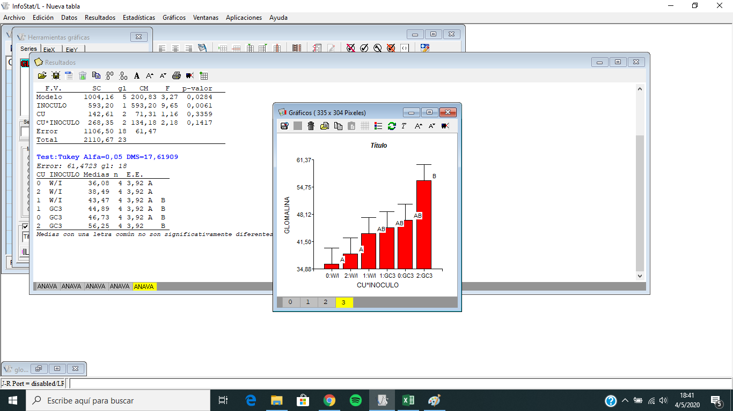
Cu 2 | 45.81 | 38.49 | 4.54 | 1.68

GT |  |  |  |  |  | EEG (50 ML)
GT | Cu 0 | Cu 1 | Cu 2 |  | Vol (ml) | Cu 0 | Cu 1 | Cu 2
 | 47.16 | 38.07 | 59.09 |  | 50.00 | 70.25 | 108.04 | 96.41 |  |  | cu0 | cu1 | cu2
 | 35.23 | 48.30 | 58.52 |  | 50.00 | 83.82 | 84.30 | 97.87 |  |  | 1.40503876 | 2.160852713 | 1.928294574
 | 48.86 | 41.48 | 43.18 |  | 50.00 | 80.91 | 94.96 | 77.52 |  |  | 1.676356589 | 1.686046512 | 1.957364341
 | 55.68 | 51.70 | 64.20 |  | 50.00 | 87.69 | 83.33 | 84.79 |  |  | 1.618217054 | 1.899224806 | 1.550387597
 |  |  |  |  | 50.00 | 0.00 | 0.00 | 0.00 |  |  | 1.753875969 | 1.666666667 | 1.695736434
control |  |  |  |  | 50.00 | 47.48 | 59.59 | 39.73
 | 37.50 | 42.05 | 40.91 |  | 50.00 | 49.42 | 61.53 | 30.04 |  |  | 0.9496124031 | 1.191860465 | 0.7945736434
 | 48.86 | 51.14 | 33.52 |  | 50.00 | 57.17 | 35.37 | 46.03 |  |  | 0.988372093 | 1.230620155 | 0.6007751938
 | 20.45 | 40.34 | 39.77 |  | 50.00 | 67.83 | 38.76 | 64.44 |  |  | 1.143410853 | 0.7073643411 | 0.9205426357
 | 37.50 | 40.34 | 39.77 |  |  |  |  |  |  |  | 1.356589147 | 0.7751937984 | 1.28875969

 | GT
 |  | ph 8 | cu0 | cu1 | cu2 | cu0 | cu1 | cu2 |  |  | EEG
 | GC3 | 0 | 0.9431818182 | 0.7613636364 | 1.181818182 | 47.15909091 | 38.06818182 | 59.0909091 |  |  | cu0 | cu1 | cu2
 | GC3 | 0 | 0.7045454545 | 0.9659090909 | 1.170454545 | 35.22727273 | 48.29545455 | 58.52272725 |  |  | 70.251938 | 108.0426357 | 96.4147287
 | GC3 | 0 | 0.9772727273 | 0.8295454545 | 0.8636363636 | 48.86363637 | 41.47727273 | 43.18181818 |  |  | 83.81782945 | 84.3023256 | 97.86821705
 | GC3 | 0 | 1.113636364 | 1.034090909 | 1.284090909 | 55.6818182 | 51.70454545 | 64.20454545 |  |  | 80.9108527 | 94.9612403 | 77.51937985
 |  | 0 | 0.934659091 | 0.8977272727 | 1.125 | 46.73295455 | 44.88636364 | 56.25 |  |  | 87.69379845 | 83.33333335 | 84.7868217
 | desvio |  | 0.1701702176 | 0.1244823994 | 0.181581285 | 8.508510878 | 6.22411997 | 9.079064252 |  |  | 80.66860465 | 92.65988373 | 89.14728683
 | ee |  | 0.08508510878 | 0.0622411997 | 0.09079064252 | 4.254255439 | 3.112059985 | 4.539532126 |  |  | 7.479674525 | 11.52907366 | 9.714117083
 |  |  |  |  |  |  |  |  |  |  | 3.739837262 | 5.764536832 | 4.857058542

 | c | 0 | 0.75 | 0.8409090909 | 0.8181818182 | 37.5 | 42.04545455 | 40.90909091
 | c | 0 | 0.9772727273 | 1.022727273 | 0.6704545455 | 48.86363637 | 51.13636365 | 33.52272728
 | c | 0 | 0.4090909091 | 0.8068181818 | 0.7954545455 | 20.45454546 | 40.34090909 | 39.77272728
 | c | 0 | 0.75 | 0.8068181818 | 0.7954545455 | 37.5 | 40.34090909 | 39.77272728 |  |  | 47.48062016 | 59.59302325 | 39.72868217
 | promedio |  | 0.7215909091 | 0.8693181819 | 0.7698863637 | 36.07954546 | 43.46590909 | 38.49431818 |  |  | 49.41860465 | 61.53100775 | 30.03875969
 | desv |  | 0.2342673651 | 0.1035276545 | 0.0671480981 | 11.71336825 | 5.176382723 | 3.357404905 |  |  | 57.17054265 | 35.36821706 | 46.02713179
 | ee |  | 0.1171336825 | 0.05176382723 | 0.03357404905 | 5.856684127 | 2.588191361 | 1.678702453 |  |  | 67.82945735 | 38.75968992 | 64.4379845
 |  |  |  |  |  |  |  |  |  |  | 55.4748062 | 48.81298449 | 45.05813954
 |  |  |  |  |  |  |  |  |  |  | 9.239363522 | 13.66001286 | 14.49715172
 |  |  |  |  |  |  |  |  |  |  | 4.619681761 | 6.830006432 | 7.248575858

glomalina tesina
IN VITRO
0.9886363636 | 49.43181818 | 75 | 73.15891475 | 103.1976744 |  | GEE | GC3 | W/I | EE GC3 | EE W/I
1.204545455 | 60.22727275 | 59.0909091 | 77.51937985 | 94.9612403 |  | Cu 0
1.193181818 | 59.6590909 | 67.04545455 | 77.51937985 | 74.6124031 |  | Cu 1
1.284090909 | 64.20454545 | 60.22727275 | 69.76744185 | 79.94186045 |  | Cu 2
1.1676136364 | 58.38068182 | 65.3409091 | 74.491279075 | 88.178294563
0.12598612403 | 6.2993062017 | 7.3351957239 | 3.7607012391 | 13.20937018
0.062993062017 | 3.1496531008 | 3.667597862 | 1.8803506196 | 6.6046850899

 | TG | EEG | DE EEG | DE GT
GC3 | 58.38068182 | 74.491279075 | 1.8803506196 | 3.1496531008
W/I | 65.3409091 | 88.178294563 | 6.6046850899 | 3.667597862 |  | 1.463178295 | 73.15891475 |  | 1.5 | 2.063953488 | 103.1976744
 |  |  |  |  |  | 1.550387597 | 77.51937985 |  | 1.181818182 | 1.899224806 | 94.9612403
 |  |  |  |  |  | 1.550387597 | 77.51937985 |  | 1.340909091 | 1.492248062 | 74.6124031
 |  |  |  |  |  | 1.395348837 | 69.76744185 |  | 1.204545455 | 1.598837209 | 79.94186045

 | GT |  |  | GFE
 | GC3 | CONTROL |  | GC3 | CONTROL
 | 49.43181818 | 75 |  | 73.15891475 | 103.1976744
 | 60.22727275 | 59.0909091 |  | 77.51937985 | 94.9612403
 | 59.6590909 | 67.04545455 |  | 77.51937985 | 74.6124031 |  |  |  | 2.063953488 | 103.1976744
 | 64.20454545 | 60.22727275 |  | 69.76744185 | 79.94186045 |  | 0.9886363636 |  | 1.899224806 | 94.9612403
PROM | 58.38068182 | 65.3409091 | #DIV/0! | 74.491279075 | 88.178294563 |  | 1.204545455 |  | 1.492248062 | 74.6124031
DV | 6.2993062017 | 7.3351957239 | #DIV/0! | 3.7607012391 | 13.20937018 |  | 1.193181818 |  | 1.598837209 | 79.94186045
EE | 3.1496531008 | 3.667597862 | #DIV/0! | 1.8803506196 | 6.6046850899 |  | 1.284090909
 |  |  |  |  |  |  | 1.113636364

lh
cu | LH |  | 17.15857414 | 7.778174593
Cu 0 | 80.25966161 | 11.09737945
Cu 1 | 65.73648474 | 17.48750926
Cu 2 | 50.95851531 | 7.927284581
a

a

